Contact Us
Have any questions?
If you need further help, please get in touch with our experts:

Jamie Bird, CTA
Senior Tax Manager
jamesb@knilljames.co.uk
01273 484932


Kirsty Royds-Jones, CTA
Tax Manager
kirstyr@knilljames.co.uk
01273 485094

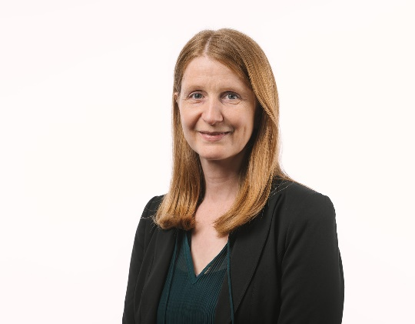
Philippa Hill, CTA
Tax Manager
philippah@knilljames.co.uk
01273 484943

